KKO
KAJIAN KELAYAKAN OPERASI

DAYA LAMA |  |  |  | DAYA BARU
Nama Pelanggan | : | PD NAFIADHI 13,2 KVA |  | Nama Pelanggan | : | PD NAFIADHI 13,2 KVA
Daya Lama (VA) | : | 4400 |  | Daya Baru (VA) | : | 13200
Jumlah Fasa | : | 1 | * | Jumlah Fasa | : | 3
Tegangan Sekunder Pengukuran rata-rata (Fasa-Netral) (V) | : | 220 | * | Tegangan Sekunder Pengukuran rata-rata (Fasa-Netral) (V) | : | 380
Beban Pelanggan (A) | : | 20.06 |  | Beban Pelanggan (A) | : | 20.06

SUPLAI TRAFO EKSISTING |  |  |  | SUPLAI TRAFO RENCANA
Nomor Tiang | : |  |  | Nomor Tiang | : | SYG 06/51/24/9
Penyulang | : |  |  | Penyulang | : | SYG 06
Daya | : |  | * | Daya | : | 160
Jumlah Fasa | : |  | * | Jumlah Fasa | : | 3
Beban TRAFO (Pengukuran Lapangan) |  | 0 |  | Beban TRAFO | : | 20.06
Beban Primer | : | 0.00 | * | Beban Primer | : | 4.62
Beban Sekunder | : | 0.00 | * | Beban Sekunder | : | 243.09
Beban (A) | : | 0.00 |  | Beban (A) | : | 0.24
Prosentase Pembebanan | : | #DIV/0! |  | Beban (A) | : | 8%
 | 8% | 100%
Prosentase Pembebanan | : | 100% |  | Beban (A) | : | 100%

DATA





DATA
Tahun | : | 2023
Discount Rate | : | 12%
Transfer price TM | : | 1,084 |  | Marginal COST maret 2022
Umur ekonomis (tahun) | : | 25.00
Selisih Susut Teknis | : | 2.25%
∑ Daya | : | 9
BP (Rp) | : | 8,527,200
RAB (Rp) | : | 24,368,673
Biaya O&M (2% invest) | : | 487,373.47

Nama Pelanggan | : | PD NAFIADHI 13,2 KVA | *
Golongan Pelanggan | : | B2 | *
Jenis Layanan | : | REGULER | *
Daya Lama (kVA) | : | 4 | *
Daya Baru (kVA) | : | 13.20 | *
Tarif WBP (Rp/kWh) | : | 1,444.70 | *
Tarif LWBP (Rp/kWh) | : | 1,444.70 | *
BP (Rp/VA) TR | : | 969 | *
Jam Nyala | : | 40 | *

RAB
 |  | PT. PLN ( PERSERO )
 |  | UNIT INDUK DISTRIBUSI JAWA TENGAH & DI YOGYAKARTA |  |  |  |  |  |  |  |  |  |  | RAB TOTAL
 |  | UP3 DEMAK |  |  |  |  |  |  |  |  |  | RAB TOTAL | RAB NON MDU
 | RENCANA ANGGARAN BIAYA (RAB)

 |  |  |  | Pekerjaan | : | PD NAFIADHI 13,2 KVA
 |  |  |  | Lokasi | : | SUKOREJO
 |  |  |  | Pelaksana | : | PT. PLN (PERSERO) UP3 DEMAK
 |  |  |  | Anggaran | : | SAR 2023

Note !! 1. Saat Pengisian Uraian di mohon memasukan nama material sesuai dengan nama material di harga satuan
2. Mohon di cek kembali saat pengisian volume material
3. Untuk program Sarana Penunjang Fungsi tidak perlu SLO.
 | NO | URAIAN | GOL | SAT | VOL | HARGA SATUAN | BIAYA YANG DIPERLUKAN ( Rp )
 |  |  |  |  |  |  | MDU | HARDWARE | JASA | JUMLAH

 |  |  |  |  |  | 0 | 0 | 0 | 0 | 0
#REF! | I | PEMASANGAN TIANG |  |  |  | 0 | 0 | 0 | 0 | 0
 | 1 | Tiang Beton 9M-200 daN+E | HDW | Btg | 2 | 3,382,600 | 0 | 6,765,200 | 0 | 6,765,200 | #REF!
 | 3 | Penomoran Tiang | JASA | Btg | 2 | 10,067 | 0 | 0 | 20,133 | 20,133 | #REF!
 | 4 | Penghalang Panjat dan Papan Peringatan | HDW | Set | 2 | 200,000 | 0 | 400,000 | 0 | 400,000
 |  |  |  |  |  | 0 | 0 | 0 | 0 | 0
 | II | PEMASANGAN KONSTRUKSI |  |  |  | 0 | 0 | 0 | 0 | 0
 | + | CJ6-T |  | Unit | 6 | 0 | 0 | 0 | 0 | 0 | #REF!
 | 1 | Dead End Assembly | HDW | Bh | 6 | 78,500 | 0 | 471,000 | 0 | 471,000
 | 2 | Plastic Strap for Clamping | HDW | Bh | 6 | 4,212 | 0 | 25,272 | 0 | 25,272
 | 3 | Stainless Steel Strap 20 x 0.7 mm | HDW | Mtr | 6 | 23,310 | 0 | 139,860 | 0 | 139,860
 | 4 | Stopping Buckle / Yokes | HDW | Bh | 6 | 2,300 | 0 | 13,800 | 0 | 13,800
 | 5 | Upah Pasang Konst. JTR J6-T | JASA | Unit | 6 | 35,700 | 0 | 0 | 214,200 | 214,200
 |  |  |  |  |  | 0 | 0 | 0 | 0 | 0
 | + | CM2-12 |  | Unit | 2 | 0 | 0 | 0 | 0 | 0 | #REF!
 | 1 | Bimetalic Connector 35 - 240 mm² | HDW | Bh | 2 | 47,459 | 0 | 94,918 | 0 | 94,918
 | 2 | Ground wire Cu 16 mm² | HDW | Mtr | 1.6 | 30,000 | 0 | 48,000 | 0 | 48,000
 | 3 | Ground rod & Washer | HDW | Bh | 2 | 9,500 | 0 | 19,000 | 0 | 19,000
 | 4 | Upah Pasang Acc.Jar M2-12 | JASA | Unit | 2 | 16,200 | 0 | 0 | 32,400 | 32,400
 |  |  |  |  |  | 0 | 0 | 0 | 0 | 0 | #REF!
 | III | PEKERJAAN PEMASANGAN KONDUKTOR |  |  |  | 0 | 0 | 0 | 0 | 0
 | 1 | NFA2X-T 3x70+1x70 | MDU-KD | Mtr | 118 | 54,500 | 6,431,000 | 0 | 0 | 6,431,000
 | 2 | Upah Pasang Penghantar TR LVTC 3x70 + 1x50mm² | JASA | Per 50 m | 2.36 | 223,500 | 0 | 0 | 527,460 | 527,460
 |  |  |  |  |  | 0 | 0 | 0 | 0 | 0 | #REF!
 | IV | PEMASANGAN APP |  |  |  | 0 | 0 | 0 | 0 | 0
 | + | Daya 13.200 VA |  | Unit | 1 | 0 | 0 | 0 | 0 | 0
 | 1 | KWH MPB; 3P; 4W; 230/400 V; 5(80) A; Class 1 | HDW | Bh | 1 | 1,719,200 | 0 | 1,719,200 | 0 | 1,719,200
 | 2 | Smart Box Langsung Daya 13.2 kVA MCCB 20 A | MDU-KD | Unit | 1 | 3,564,900 | 3,564,900 | 0 | 0 | 3,564,900
 | 3 | NFA2X 4 x 16 mm² | MDU-KD | Mtr | 35 | 13,500 | 472,500 | 0 | 0 | 472,500
 | 4 | Upah Pasang SR + APP 3 Fasa | JASA | Unit | 1 | 106,400 | 0 | 0 | 106,400 | 106,400
 |  |  |  |  |  | 0 | 0 | 0 | 0 | 0 | #REF!
 | + | CM2-11 |  | Unit | 1 | 0 | 0 | 0 | 0 | 0
 | 1 | Ground rod ⅝" x 8" Copper Weld | HDW | Bh | 1 | 185,200 | 0 | 185,200 | 0 | 185,200
 | 2 | Bimetalic Connector 35 - 240 mm² | HDW | Bh | 1 | 47,459 | 0 | 47,459 | 0 | 47,459
 | 3 | Ground wire Cu 16 mm² | HDW | Mtr | 1.5 | 30,000 | 0 | 45,000 | 0 | 45,000
 | 4 | Ground rod & Washer | HDW | Bh | 2 | 9,500 | 0 | 19,000 | 0 | 19,000
 | 5 | Upah Pasang Acc.Jar M2-11 | JASA | Unit | 1 | 56,400 | 0 | 0 | 56,400 | 56,400
 |  |  |  |  |  | 0 | 0 | 0 | 0 | 0
 |  |  |  |  |  | 0 | 0 | 0 | 0 | 0 | #REF!
 |  | SLO |  |  |  | 0 | 0 | 0 | 0 | 0 | #REF!
 | 1 | Sertifikasi Laik Operasi | JASA | Lot | 1 | 2.5% | 261,710 | 249,823 | 23,925 | 535,458
 |  |  |  |  |  |  | 0 | 0 | 0 | 0

 |  | Jumlah MDU - Hardware - Jasa |  |  |  | : | 10,730,110 | 10,242,732 | 980,918 | 21,953,760
 |  | PPN 11% |  |  |  | : | 1,180,312 | 1,126,700 | 107,901 | 2,414,914
 |  | Jumlah Total |  |  |  | : | 11,910,422 | 11,369,432 | 1,088,819 | 24,368,673 | 201,265,205
 | Terbilang : Dua Puluh Empat Juta Tiga Ratus Enam Puluh Delapan Ribu Enam Ratus Tujuh Puluh Tiga Rupiah

 | Harga yang dipakai adalah RAB HSS 2023

 |  |  |  |  |  |  |  | Demak, 30Agustus 2023
 |  |  |  |  |  |  |  | ASMAN PERENCANAAN

 |  |  |  |  |  |  |  | VALENTHINA EKA SABTI WONOHUSODO

GAMBAR
 | PT. PLN (PERSERO) UP3 DEMAK

-7. , 110. | Keterangan Gambar :
 | No | Nama Material |  |  | Baru |  | Eksisting
 | 1 | Tiang Beton
 | 2 | Tiang Besi
 | 3 | JTM 3 Fasa
 | 4 | JTM 1 Fasa
 | 5 | JTR 1 Fasa Only / UB
K2- PWI 04-K2-708 PWI12 K2-708
1 C12-350E
1 CC1-A
1 CA3
1 G312 A
3 CJ5
3 CJ6-T
1 Cj6-T
 | 6 | JTR 3 Fasa Only / UB
 | 7 | Trafo 1 Fasa
K2-707/A
1 C11-350
1 DB03
 | 8 | Trafo 3 Fasa
s
s
 | 9 | Fuse Cut Out
 | 10 | ABSW
 | 11 | Vang Net
 | 12 | Schoor
 | 13
s
s
 | Bongkar Pasang Konstruksi :
 | Pasang |  |  |  | Bongkar
 | C9-200 |  | BTG | 2
46 m
 | CJ6-T |  | UNIT | 6
73 m
K2-708/A
1 C11-350
1 DB03
2 CJ6-T
 | CM2-12 |  | UNIT | 2
 | NFA2X, 3X70N70 |  | m | 118
K2-708/B
1 C9-200
2 CJ6-T
1 CM2-12
 | SR APP 13,2 KVA PRA |  | UNIT | 1

52 m
20 m

K2-708/C
1 C9-200
1 CJ6-T
1 CM2-12

K2- PWI 04-K2-709 PWI12 K2-709
1 C12-350E
1 DCC1-A
1 LBS
1 DB06
3 CJ5
3 CJ6-T

 | Keterangan Tambahan : https://goo.gl/maps/BBmyPAdWKc4wmTC86

 | Golongan
 | No. Gambar |  | 1 |  |  | Lembar |  | dr
 | Gambar dari |  |  |  |  | Skala
 | Perihal:
 | PD NAFIADHI 13,2 KVA

 | Digambar |  | Spv. Rensis
 | Diperiksa |  | Man. Perencanaan
 | Diketahui |  | Man. Perencanaan
 | Disetujui |  | Manager

1 CG 313-A
1 C12-350E
1 CC7
3 CM2-11M
1 CM2-12
1 CM2-12A
1 F1-2
1 CE1-2

RUMAH SAKIT TRIMEDIKA
35
35
JL.PURWODADI-SUKOLILO-PATI

K2-541 B
1 C12-350E
1 CC1-A
1 CM2-12
1 CJ6-T
3 Ph 160 kVA

PETA
PETA LOKASI PD NAFIADHI 13,2 KVA

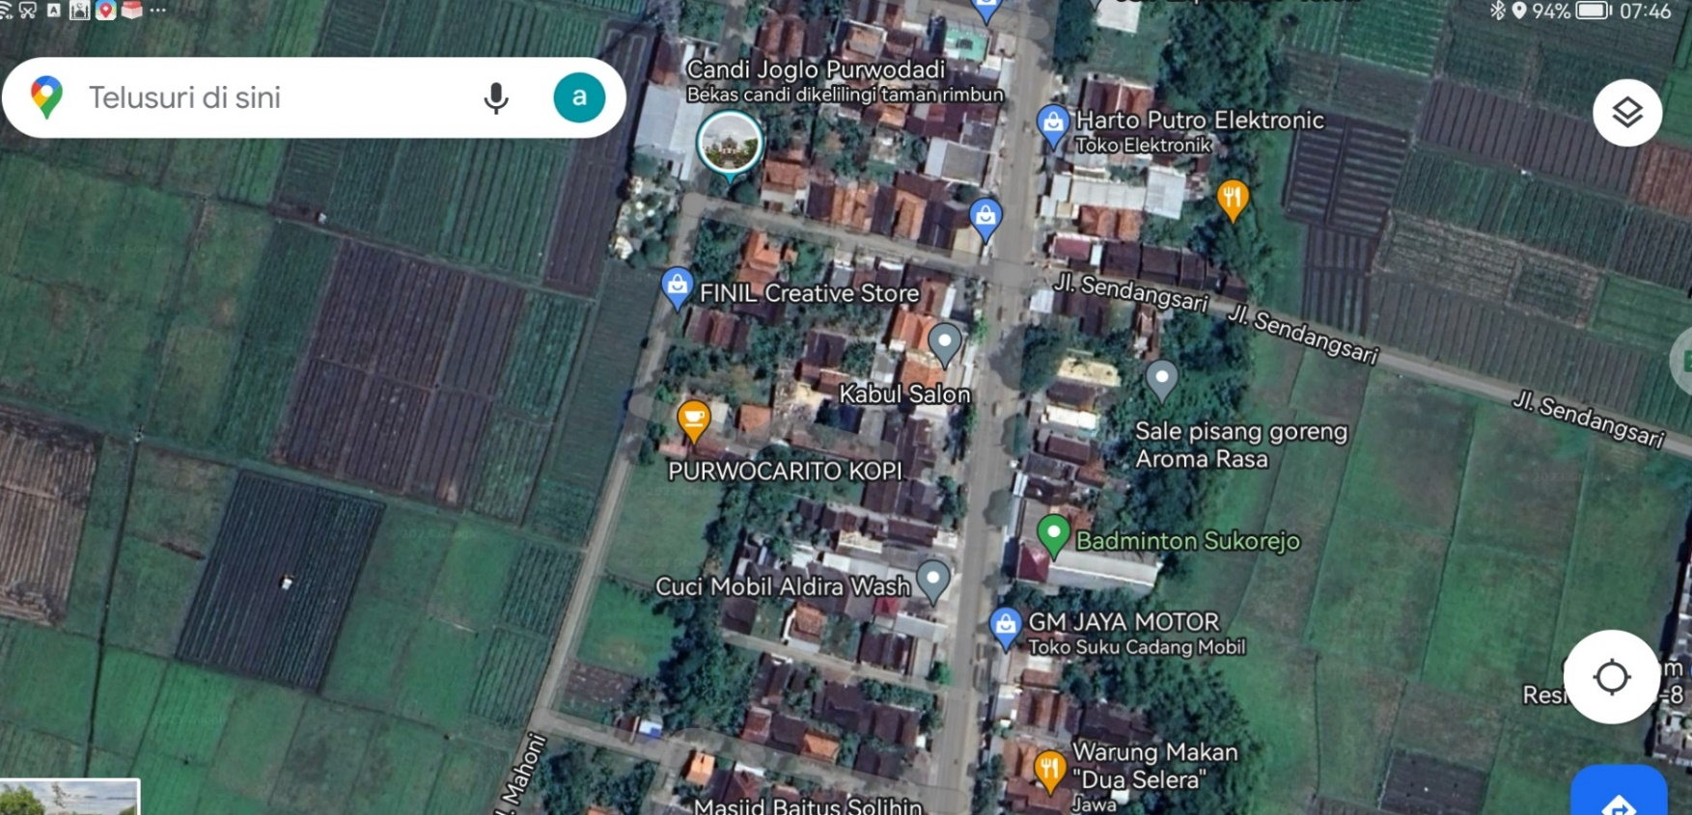

LOKASI

SLD
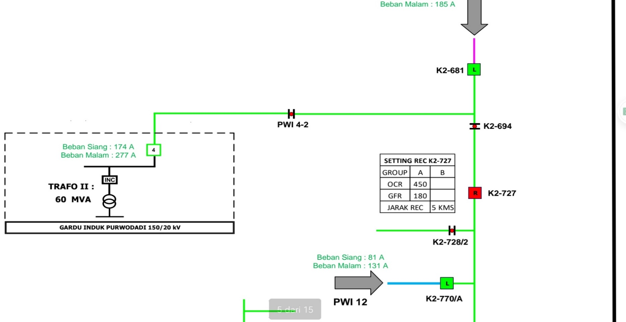
SINGLE LINE DIAGRAM PD NAFIADHI 13,2 KVA

